EDA
Data Info
 | Recording | 记录003
 | Subject | 趙文莉
 | Create Time | 2024-07-04 15:46:05.636
 | Data Name | Finger8 EDA
 | Data Type | EDA
 | Sample Rate | 64
 | Segment | 后静息态
 | Start Time | 0:58:09
 | End Time | 1:03:09
 | Duration | 0:05:00

Replay Chart
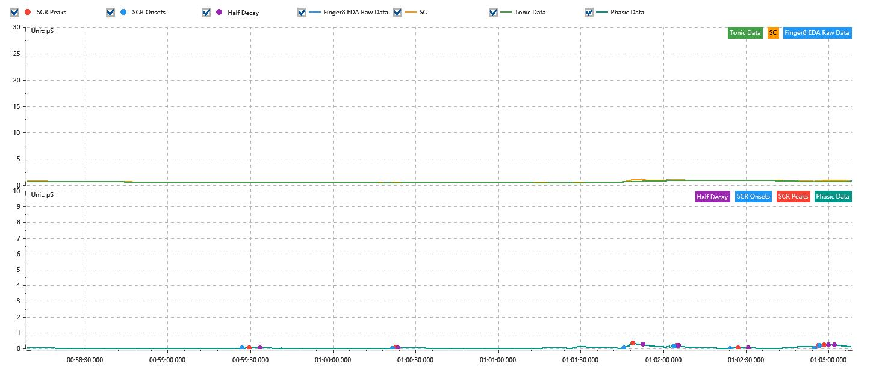

Process parameters
 | Filters
 | Smooth denoise | Enabled | 高斯 | 5(samples)
 | Lowpass filter | Enabled | 5μS
 | Skin Conductance Response
 | SCR extraction | Minimum SCR amplitude | 0.03μS
 | SCR extraction | Max rise time | 4s
 | SCR extraction | Max half decay time | 4s
 | SCR extraction | Peak dection sensitivity | 中
 | Event related activation | Window relative to event | 1s | 4s

Time Domain
 | Data | Mean | Max | Min | Std | Variance | Polar Distance | Data Length
 | SC | 0.67μS | 1.05μS | 0.49μS | 0.16μS | 0.02μS² | 0.57μS | 1200
 | Tonic | 0.63μS | 0.89μS | 0.47μS | 0.13μS | 0.02μS² | 0.41μS | 1200
 | Phasic | 0.04μS | 0.33μS | -0.01μS | 0.06μS | 0μS² | 0.34μS | 1200

SCR
 | OnsetTime | PeakTime | RiseTime | HalfDecayTime | Amp
 | 0.041284606481 | 0.041316435185 | 2.75s | 3.75s | 0.03μS
 | 0.041918287037 | 0.041929861111 | 1s | 1s | 0.04μS
 | 0.042890509259 | 0.042928125 | 3.25s | 3.75s | 0.33μS
 | 0.043101736111 | 0.043110416667 | 0.75s | 0.75s | 0.04μS
 | 0.043336111111 | 0.043370833333 | 3s | 3.75s | 0.04μS
 | 0.043692013889 | 0.043706481481 | 1.25s | 3.75s | 0.17μS
 | 0.043712268519 | 0.043732523148 | 1.75s | 3.75s | 0.04μS

Event Related
 | Event Group | Event Name | Event Description | EventTime | SCRCount | Latency | AmpSum | SCL | Half Decay Time Avg. | Rise Decay Time Avg.
 | Custom | 后静息态采集开始 |  | 0.040378875759 | 0 | 0s | 0μS | 0.71μS | 0s | 0s

